Energy_item
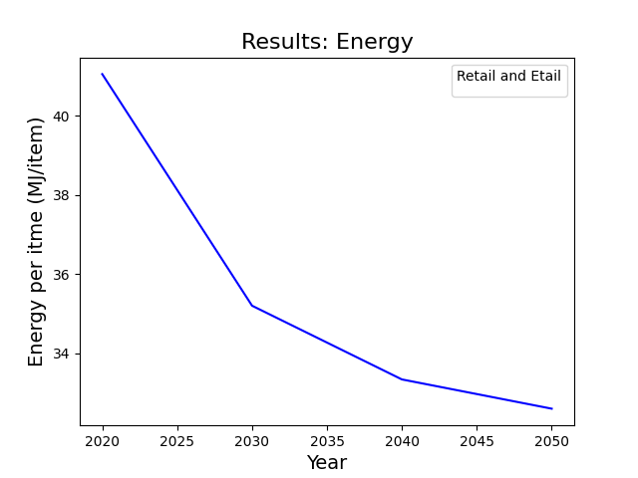
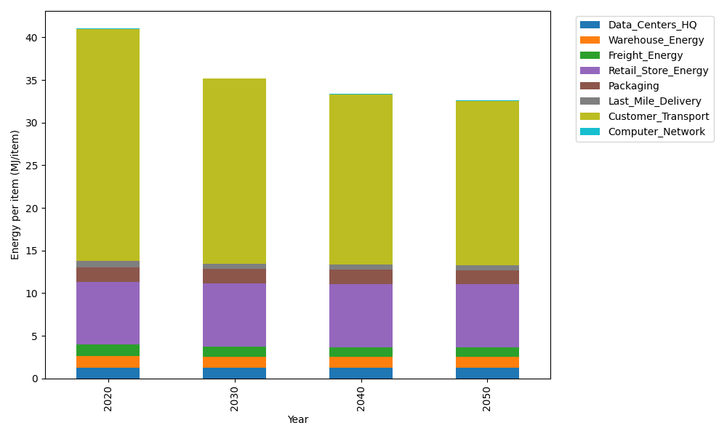
Years | Data_Centers_HQ | Warehouse_Energy | Freight_Energy | Retail_Store_Energy | Packaging | Last_Mile_Delivery | Customer_Transport | Computer_Network | Total
2020 | 1.2374141979 | 1.3410488455 | 1.4107074629 | 7.3100139929 | 1.6916682183 | 0.81048496881 | 27.205060503 | 0.042881298171 | 41.049279487
2030 | 1.2352718172 | 1.3271161228 | 1.1863895063 | 7.4274928124 | 1.6409622826 | 0.64243581809 | 21.707841616 | 0.038322286335 | 35.205832261
2040 | 1.2350053479 | 1.3253831714 | 1.0872337937 | 7.4421048224 | 1.6346554807 | 0.59490037849 | 19.988923323 | 0.037755236657 | 33.345961554
2050 | 1.2351847631 | 1.3265499769 | 1.0715846529 | 7.4322664771 | 1.6389018846 | 0.59469187308 | 19.270385969 | 0.038137034271 | 32.607702631

CO2_item
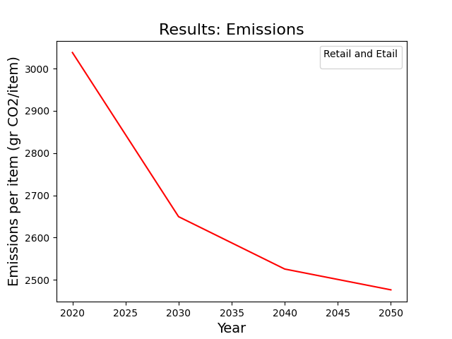
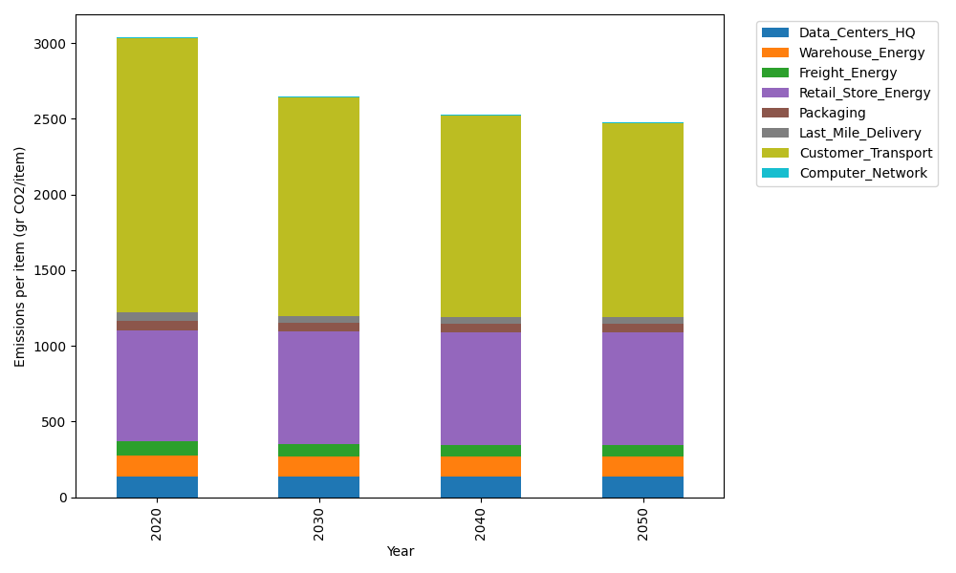
Years | Data_Centers_HQ | Warehouse_Energy | Freight_Energy | Retail_Store_Energy | Packaging | Last_Mile_Delivery | Customer_Transport | Computer_Network | Total
2020 | 140.14711191 | 133.87537195 | 96.078360958 | 728.99305529 | 65.522142061 | 55.634223426 | 1810.3407664 | 7.2330803936 | 3037.8241124
2030 | 139.8644399 | 132.47832755 | 80.760958012 | 740.70866125 | 60.468748115 | 44.098804069 | 1444.5323738 | 6.4640808406 | 2649.3763935
2040 | 139.82928117 | 132.30456323 | 73.96461025 | 742.16584777 | 59.840207213 | 40.835822805 | 1330.1482187 | 6.3684327123 | 2525.4569839
2050 | 139.85295373 | 132.42155968 | 72.88366415 | 741.18471621 | 60.2634072 | 40.821510342 | 1282.3336783 | 6.4328331142 | 2476.1943227

